Sheet1
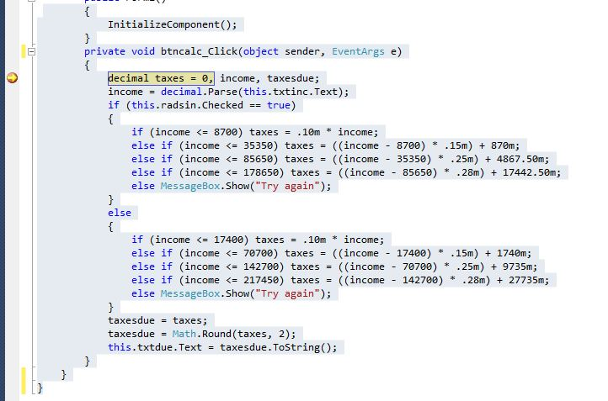
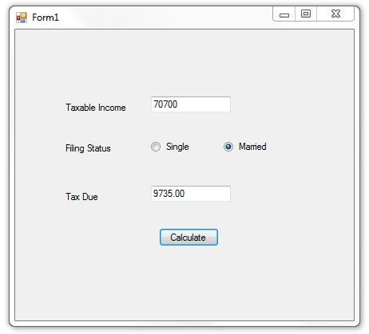

Student: | Arunkumar Kanakasabai
Course | ITDEV 117

